Data
Figure 1: Median gross weekly earnings for full-time employees in NI and the UK, April 1997 to 2017
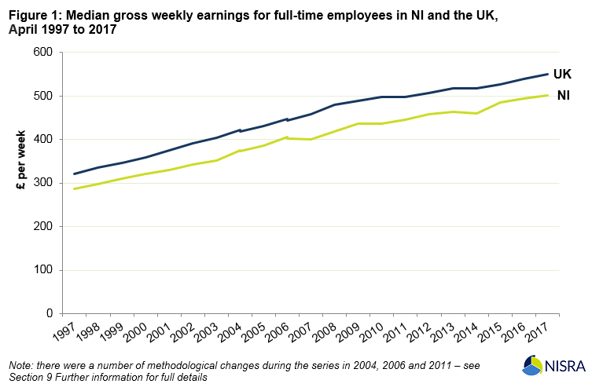
 | NI | UK
1997 | 286.7 | 320.5 | 11%
1998 | 298.1 | 334.9 | 11%
1999 | 310.5 | 345.5 | 10%
2000 | 320.2 | 359.0 | 11%
2001 | 330.5 | 375.9 | 12%
2002 | 342.0 | 390.9 | 13%
2003 | 352.0 | 404.0 | 13%
2004 | 375.0 | 422.8 | 11%
2004* | 372.6 | 419.2 | 11%
2005 | 385.2 | 431.2 | 11%
2006 | 405.1 | 446.4 | 9%
2006* | 402.5 | 443.6 | 9%
2007 | 400.3 | 457.6 | 13%
2008 | 417.7 | 479.1 | 13%
2009 | 437.1 | 488.5 | 11%
2010 | 437.3 | 498.5 | 12%
2011* | 444.7 | 498.3 | 11%
2012 | 457.6 | 506.1 | 10%
2013 | 463.6 | 517.4 | 10%
2014 | 460.0 | 518.3 | 11%
2015 | 484.7 | 527.1 | 8%
2016 | 493.6 | 538.6 | 8%
2017 | 501.2 | 550.4 | 9%

*Changes in methodology

 | 74.8%

