Definitions
What You Need to Know

It is not unusual that more people die in the winter than in the summer in Northern Ireland. These tables and charts presents provisional figures for excess winter mortality (EWM) and the excess winter mortality index (EWMI) in Northern Ireland for the winter period 2019/2020. Historical trends from 1980/1981 onwards are also provided for comparison. Provisional figures are presented by sex, age, cause of death and geographical area. All figures are based on death occurrences (the date on which a death occurred) rather than death registrations (the date on which a death was registered) in order to more accurately assign the death to the appropriate season to reduce any influence of registration delay.

However, because the figures are occurrence-based, this means data could be incomplete because of registration delays. These figures are therefore provisional and the series will be revised each year to take account of late registrations. These revisions will be largest for the most recent year. Figures are also rounded to the nearest ten which helps account for differences in the numbers of days in non-winter/ winter periods in different years .

Figures by underlying cause (e.g. Covid-19) presented in this report will differ from those previously published as registered up to 30th June 2020, as they are occurrence‑based and include deaths up to and including 31st July 2020. (see https://www.nisra.gov.uk/sites/nisra.gov.uk/files/publications/Tables_2020Q2%20-%20revised.xls for further details).

EWM and the EWMI are both mathematical concepts; it is therefore not possible to identify if an individual death was an excess winter death. Equally, deaths can be attributed to specific causes (circulatory, respiratory etc.), yet cannot be automatically classed as excess deaths.

The following outlines the calculations used to create EWM.

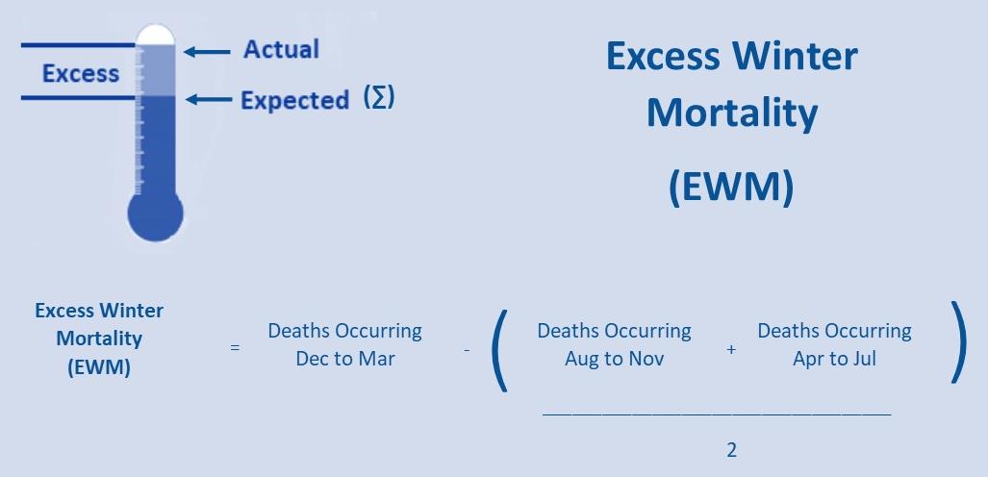

[1] Registrar General Quarterly Tables, Q2, 2020
Surely you could account for this? I think late registrations could be a better reason, but then you need to round up!
Tracy asked for this to be added

The Excess Winter Mortality Index (EWMI) is calculated as EWM divided by the average non-winter deaths expressed as a percentage. The EWMI is calculated separately for each population subgroup to enable comparisons between sexes, age groups and areas. The EWMI shows the percentage of extra deaths that occurred in the winter and is reported to one decimal place.

Differences between EWM and Excess Mortality Estimates
NISRA published Excess Mortality and Covid-19 Related Deaths in Northern Ireland March to June 2020 on 28th July 2020. Estimates in that report are based on estimates of Excess Mortality, the difference between actual deaths in 2020 and the expected number of deaths in this period based on the average number of deaths observed in the same period over the previous five years. This measure is distinctly different from Excess Winter Mortality, which is a measure of seasonality within a 12-month period.

Excess Mortality is defined as:

Actual total Deaths
from all causes
Average number of total deaths for the same period over the last 5 years
-

User Feedback

We are constantly trying to improve our service and would like to hear your feedback on how we are doing.

Have you time to complete our short Vital Statistics User Survey? | Please Click here

Chart1
Deaths before, during and after winter 2019/20
After (Arp-Jul) | 5405
Winter (Dec-Mar) | 5802
Before (Aug-Nov) | 5009

Chart2
Deaths (excluding deaths from Covid-19) before, during and after winter 2019/20
After (Arp-Jul) | 4678
Winter (Dec-Mar) | 5755
Before (Aug-Nov) | 5009

Chart3
Excess Winter Mortality and 5-Year Central Moving Average, Northern Ireland, 1980/81 to 2019/20
 | Five Year Moving Average | Excess Winter Deaths
1980/81 |  | 1,320
1981/82 | 1086.6 | 810
1982/83 | 1192.5 | 1,100
1983/84 | 1044.4 | 1,400
1984/85 | 948.4 | 590
1985/86 | 900.2 | 840
1986/87 | 1060.6 | 570
1987/88 | 1014.1 | 1,900
1988/89 | 1091.2 | 1,170
1989/90 | 996.9 | 970
1990/91 | 1008.9 | 370
1991/92 | 782.3 | 630
1992/93 | 764.6 | 770
1993/94 | 750.5 | 1,080
1994/95 | 827.1 | 900
1995/96 | 977.6 | 760
1996/97 | 1114.5 | 1,380
1997/98 | 1015.7 | 1,450
1998/99 | 934.1 | 590
1999/00 | 888.4 | 490
2000/01 | 692.4 | 530
2001/02 | 512.2 | 400
2002/03 | 508.2 | 550
2003/04 | 550 | 570
2004/05 | 617.6 | 700
2005/06 | 732.9 | 860
2006/07 | 790.6 | 980
2007/08 | 790.4 | 840
2008/09 | 768.9 | 570
2009/10 | 766.5 | 600
2010/11 | 704 | 850
2011/12 | 717.9 | 660
2012/13 | 747.9 | 910
2013/14 | 833.2 | 720
2014/15 | 986.9 | 1,020
2015/16 | 967 | 1,620
2016/17 | 903.9 | 560
2017/18 |  | 600
2018/19
2019/20

Chart 4
Excess Winter Mortality by Cause of Death, Northern Ireland, 2019/20
 | Excess Winter Mortality (EWM)
Covid-19 (U07) | -317
Dementia /Alzheimers Disease (F01, F03, G30) | 190
Circulatory Disease (I00-I99) | 210
All Other Causes of Death | 216
Respiratory Disease (J00-J99) | 310

Chart 5
Excess Winter Mortality Index, Northern Ireland, 1980/81 to 2019/20
 | Excess Winter Mortality Index
1980/81 | 26.777609682
1981/82 | 26.95793869
1982/83 | 16.211329851
1983/84 | 22.559474979
1984/85 | 28.388074785
1985/86 | 12.043496102
1986/87 | 16.714554642
1987/88 | 11.622176591
1988/89 | 40.050536955
1989/90 | 24.684077506
1990/91 | 21.143602565
1991/92 | 7.5902876964
1992/93 | 12.437909795
1993/94 | 15.990850489
1994/95 | 22.741106097
1995/96 | 19.021509911
1996/97 | 15.742285238
1997/98 | 28.981393882
1998/99 | 31.288343558
1999/00 | 12.763884378
2000/01 | 10.591766724
2001/02 | 11.186656751
2002/03 | 8.3324621014
2003/04 | 12.04622261
2004/05 | 12.416875613
2005/06 | 15.322580645
2006/07 | 18.993738328
2007/08 | 21.604254376
2008/09 | 19.179019384
2009/10 | 12.441186125
2010/11 | 12.896589063
2011/12 | 17.930381744
2012/13 | 14.514185562
2013/14 | 18.667350077
2014/15 | 14.776349614
2015/16 | 20.717616055
2016/17 | 33.081632653
2017/18 | 11.520360139
2018/19 | 11.426925293
2019/20

Chart 6
EXCESS Winter Deaths by sex, Northern Ireland, 2019/20
Males | 280
Females | 320

Chart 7
Excess Winter Mortality and 5-Year Average by Age Group, Northern Ireland, 2015/16 to 2019/20
 | Excess Winter Mortality (EWM) | Five Year Average
0-64 | 110 | 108
65-74 | 120 | 126
75-84 | 220 | 246
85+ | 140 | 428

Chart8
Excess Winter Mortality Index by Health & Social Care Trust, Northern Ireland, 2019/20
South Eastern HSCT | 6.3
Northern HSCT | 10.4
Southern HSCT | 11.6
Belfast HSCT | 12.4
Western HSCT | 18.6

Chart 9
Excess Winter Mortality Index by Local Government District, Northern Ireland, 2019/20
Lisburn & Castlereagh | 4
Antrim & Newtownabbey | 4
Armagh City, Banbridge & Craigavon | 5
Derry City & Strabane | 10
Causeway Coast & Glens | 10
Belfast | 13
Ards & North Down | 14
Newry, Mourne & Down | 16
Mid & East Antrim | 18
Fermanagh & Omagh | 23
Mid Ulster | 26

