Figure 1a
Contents
Figure 1a Overnight Trips by Local Government District (thousands), 2014

 |  | Trips (2014)
 | Lisburn & Castlereagh | 117.62548123
 | Antrim & Newtownabbey | 199.94041025
 | Mid Ulster | 213.74031453
 | Derry & Strabane | 230.96073561
 | Armagh, Banbridge & Craigavon | 231.99859058
 | Mid & East Antrim | 322.10731051
 | Fermanagh & Omagh | 387.70270041
 | North Down & Ards | 442.94273726
 | Newry, Mourne & Down | 571.17459101
 | Causeway Coast & Glens | 756.56429497
 | Belfast | 1166.2238336

Figure 1b
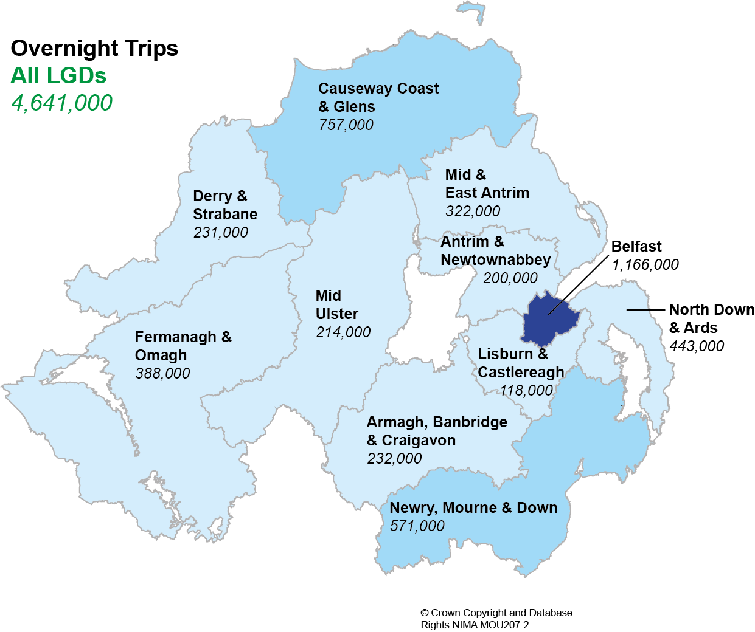
Contents
Figure 1b Map of 2014 overnight trips by Local Government District

Figure 2a
Contents
Figure 2a Overnight Trips per head of the population, 2014

 |  | Per Head
 | Lisburn & Castlereagh | 0.8
 | Armagh, Banbridge & Craigavon | 1.1
 | Antrim & Newtownabbey | 1.4
 | Mid Ulster | 1.5
 | Derry & Strabane | 1.5
 | Mid & East Antrim | 2.4
 | North Down & Ards | 2.8
 | Newry, Mourne & Down | 3.3
 | Fermanagh & Omagh | 3.4
 | Belfast | 3.5
 | Causeway Coast & Glens | 5.3
Northern Ireland 2.5

Figure 2b
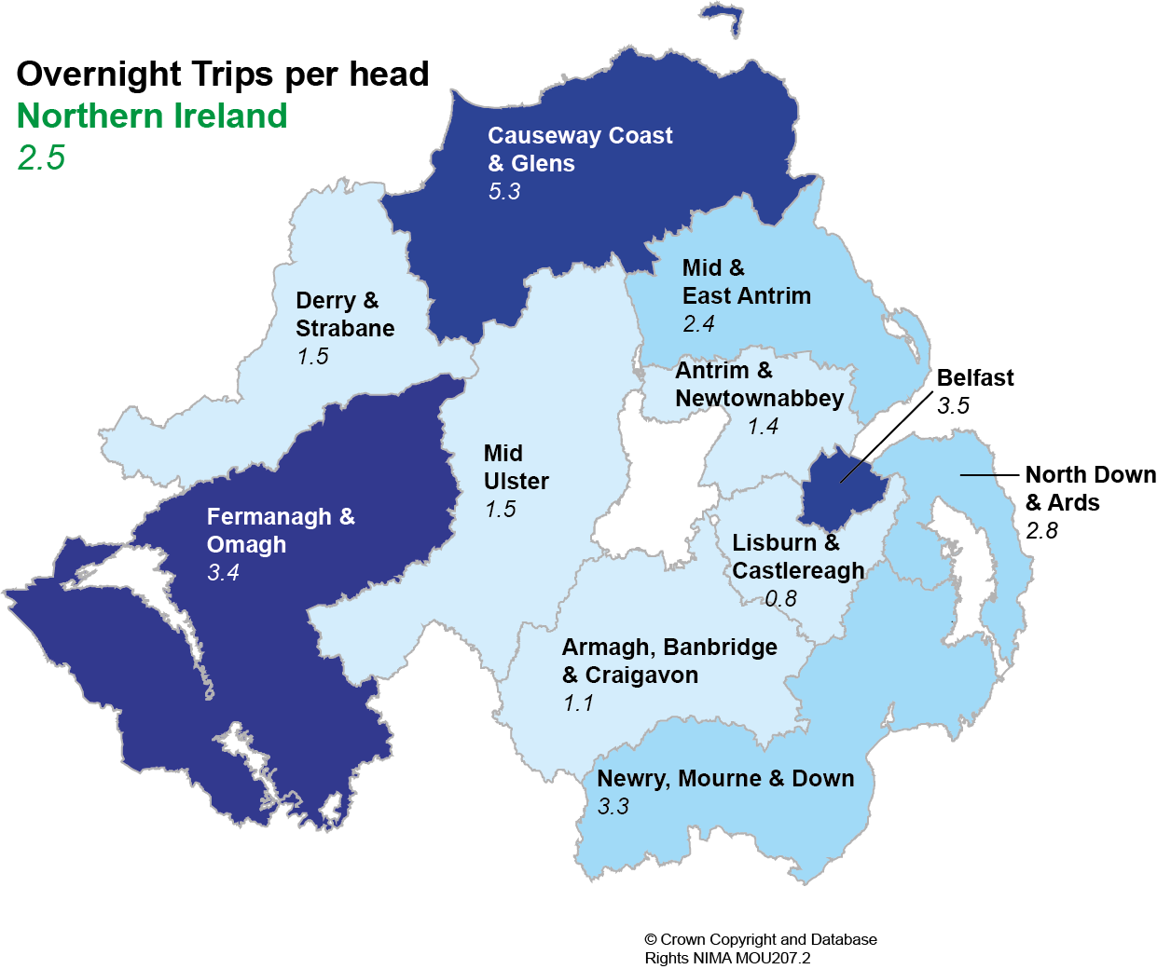
Contents
Figure 2b Map of 2014 overnight trips per head of population by Local Government District

Figure 3a
Contents
Figure 3a Expenditure (£) on Overnight Trips by Local Government District, 2014

 |  | Expenditure (£)
 | Lisburn & Castlereagh | 22.470852666
 | Mid Ulster | 26.589690633
 | Armagh, Banbridge & Craigavon | 28.279313731
 | Antrim & Newtownabbey | 37.224267158
 | Derry & Strabane | 39.738713647
 | North Down & Ards | 44.333737156
 | Mid & East Antrim | 53.784132318
 | Newry, Mourne & Down | 54.28276694
 | Fermanagh & Omagh | 63.748955763
 | Causeway Coast & Glens | 133.28822716
 | Belfast | 247.49783563

Northern Ireland £751 million

Figure 3b
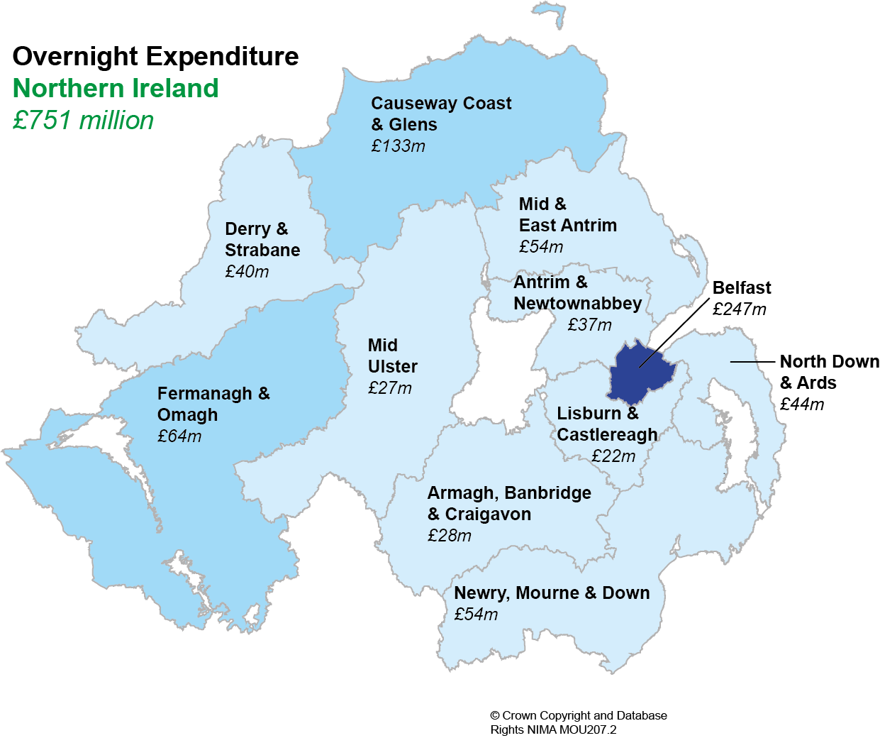
Contents
Figure 3b Map of expenditure on Overnight Trips by Local Government District, 2014

Figures 4a-4c
Contents
Figures 4a-c: Reason for Overnight Trip in Northern Ireland within Local Government District (3 year rolling average)
4a. Holiday/Pleasure/Leisure

NI 43%
 |  | Holiday/ Leisure/ Pleasure | Visiting Friends /Relatives | Business
 | Antrim & Newtownabbey | 34% | 50% | 9%
 | Armagh, Banbridge & Craigavon | 20% | 65% | 7%
 | Belfast | 40% | 37% | 16%
 | Causeway Coast & Glens | 60% | 28% | 4%
 | Derry & Strabane | 32% | 46% | 15%
 | Fermanagh & Omagh | 45% | 45% | 6%
 | Lisburn & Castlereagh | 30% | 55% | 13%
 | Mid & East Antrim | 36% | 53% | 6%
 | Mid Ulster | 32% | 54% | 10%
 | Newry, Mourne & Down | 51% | 39% | 4%
 | North Down & Ards | 44% | 46% | 5%

4b. Visiting Friends / Relatives

NI 42%

4c. Business

NI 9%

Figure 5a
Contents
Figure 5a: Number of Beds available in Licensed Accommodation by Accommodation Type and Local Government District, 2014

Northern Ireland (43,467 beds)
 | Other (7,127) | Self-Catering (12,055) | Bed&Breakfasts, Guesthouses and Guest Accommodation (6,815) | Hotels (17,470)
Belfast (10,785 beds) | 2395 | 841 | 547 | 7002
Causeway Coast and Glens (10,305 beds) | 889 | 5570 | 1902 | 1944
Fermanagh and Omagh (4,295 beds) | 311 | 1999 | 1010 | 975
Newry, Mourne and Down (3,983 beds) | 679 | 1105 | 969 | 1230
Derry and Strabane (3,429 beds) | 740 | 549 | 543 | 1597
Antrim and Newtownabbey (3,404 beds) | 1587 | 260 | 261 | 1296
Mid and East Antrim (2,005 beds) | 226 | 341 | 326 | 1112
North Down and Ards (1,794 beds) | 241 | 575 | 376 | 602
Mid Ulster (1,193 beds) | 0 | 325 | 280 | 588
Lisburn and Castlereagh (1,145 beds) | 0 | 275 | 277 | 593
Armagh, Banbridge and Craigavon (1,129 beds) | 59 | 215 | 324 | 531

Figure 5b
Contents
Figure 5b Bed-space occupancy of Hotels by Local Government District, 2014

Northern Ireland 46%
 |  | Bed-Space Occupancy
 | Belfast | 51%
 | Mid and East Antrim | 49%
 | Fermanagh and Omagh | 49%
 | Derry and Strabane | 46%
 | North Down and Ards | 44%
 | Antrim and Newtownabbey | 41%
 | Newry, Mourne and Down | 40%
 | Causeway Coast and Glens | 39%
 | Armagh, Banbridge and Craigavon | 38%
 | Lisburn and Castlereagh | 37%
 | Mid Ulster | 33%

Figure 6a
Contents
Figure 6a: Top 10 Visitor Attractions*, 2014
*excludes country parks/parks/forests/gardens

Giant's Causeway | 788
Titanic Belfast | 634
Ulster Museum | 466
Derry's Walls | 370
W5 Belfast | 324
Carrick-A-Rede Rope Bridge | 323
The Guildhall | 299
Belfast Zoo | 253
Pickie Fun Park | 243
Murlough Nature Reserve | 241

Figure 7a
Contents
Figure 7a: Employee Jobs in Tourism Characteristic Industries in Local Government Districts 2013

 |  | Tourism Jobs
 | Belfast | 17,319
 | Newry, Mourne & Down | 4,780
 | Causeway Coast & Glens | 4,751
 | North Down & Ards | 4,595
 | Derry & Strabane | 4,227
 | Armagh, Banbridge & Craigavon | 4,182
 | Antrim & Newtownabbey | 4,074
 | Lisburn & Castlereagh | 3,824
 | Mid & East Antrim | 3,678
 | Fermanagh & Omagh | 3,448
 | Mid Ulster | 3,165

Figure 8a
Contents
Figure 8a: Total cruise ship numbers and passengers onboard docking at NI ports (2011-2014)
 | Belfast | Londonderry | Warrenpoint (Newry, Mourne & Down)
2011 | 57660 | 0
2012 | 70116 | 4789
2013 | 102683 | 1757
2014 | 115659 | 4044 | 450

1 ship
 | Belfast | Belfast | Londonderry | Londonderry | Warrenpoint (Newry, Mourne & Down) | Warrenpoint (Newry, Mourne & Down)
 | ships | onboard | ships | onboard | ships | onboard
2011 | 32 | 57660 | 0 | 0 |  |  | 32 | 57660
5 ships
2012 | 45 | 70116 | 8 | 4789 |  |  | 53 | 74905
2013 | 57 | 102683 | 5 | 1757 |  |  | 62 | 104440
5 ships
2014 | 63 | 115659 | 5 | 4044 | 1 | 450 | 69 | 120153

8 ships

32 ships
45 ships
57 ships
63 ships

