Definitions
What You Need to Know
This statistical bulletin presents provisional figures for winter mortality (formerly referred to as Excess Winter Mortality or EWM) and the winter mortality index (WMI) in Northern Ireland for the winter period 2022/2023. Statistical Offices across the UK took the decision to rename this statistic due to the increased interest in general excess deaths and the potential for both statistics to become confused. Additionally, with an increase in deaths at different times of the year due to the pandemic, there is potential for deaths in wintertime to not be in excess when compared with non-winter months resulting in a negative number or index. Historical trends from 1980/1981 onwards are also provided in the accompanying spreadsheet for comparison. Provisional figures are presented by sex, age, cause of death and geographical area. All figures are based on death occurrences (the date on which a death occurred) rather than death registrations (the date on which a death was registered) in order to more accurately assign the death to the appropriate season to reduce any influence of registration delay.
However, because the figures are occurrence-based, this means data could be incomplete because of registration delays. These figures are therefore provisional and the series will be revised each year to take account of late registrations. These revisions will be largest for the most recent year. Figures are also rounded to the nearest ten which helps account for differences in the numbers of days in non-winter/ winter periods in different years .
Figures by underlying cause (e.g., Covid-19) presented in this report will differ from those previously published as they are occurrence based and include deaths that happened up to and including 31st July 2023 based on deaths registered up to 30th September 2023
Winter mortality and the WMI are both mathematical concepts; it is therefore not possible to identify if an individual death was an additional winter death. Equally, deaths can be attributed to specific causes (circulatory, respiratory etc.), yet cannot be automatically classed as additional winter deaths.
The following outlines the calculations used to create EWM.
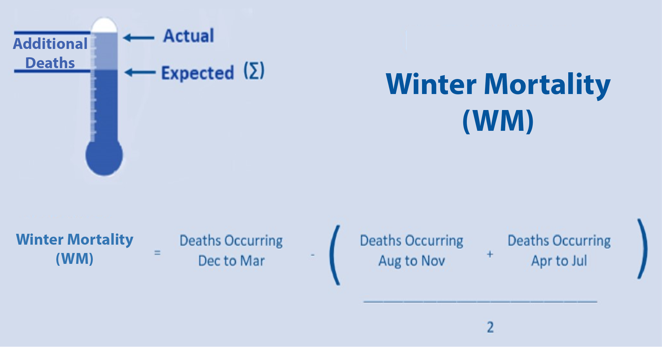
The Winter Mortality Index (WMI) is calculated as the number of deaths taking place in the winter months (winter mortality) divided by the average non-winter deaths expressed as a percentage. The WMI is calculated separately for each population subgroup to enable comparisons between sexes, age groups and areas. The WMI shows the percentage of additional or fewer deaths that occurred in the winter and is reported to one decimal place.
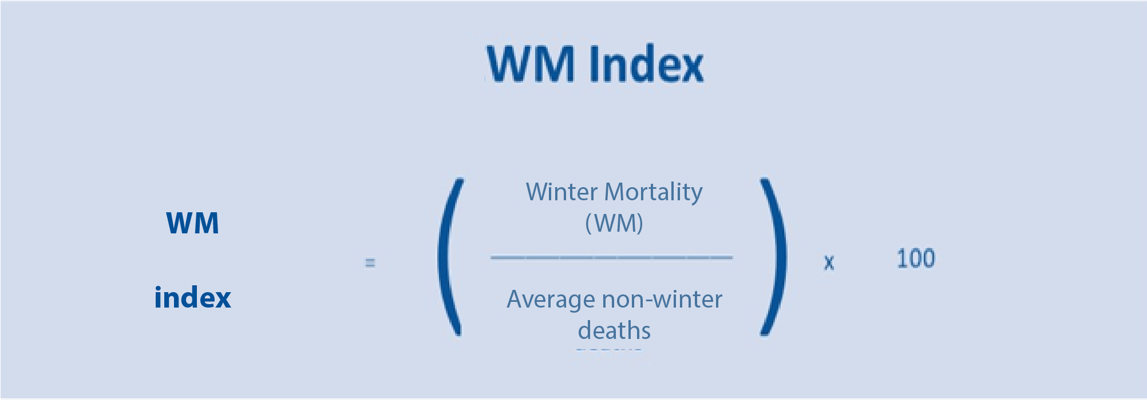
Differences between WM and Excess Mortality Estimates
NISRA published Excess Mortality and Covid-19 Related Deaths in Northern Ireland March 2020 to December 2022 on 9 March 2023. Estimates in this report are based on estimates of Excess Mortality, the difference between actual deaths in a defined period and the expected number of deaths in this period based on the average number of deaths observed in the same period over the previous five years. This measure is distinctly different from Winter Mortality, which is a measure of seasonality within a 12-month period.
Excess Mortality is defined as:
Actual total Deaths from all causes - Average number of total deaths for the same period over the last 5 years
Please note that winter mortality numbers in these tables are rounded to the nearest 10, but percentages are calculated based on the actual numbers.

Chart1
Winter Mortality before, during and after winter 2022/23
After (Apr-Jul) | 4,957
Winter (Dec-Mar) | 6,199
Before (Aug-Nov) | 5,564

Chart 2
Winter Mortality (excluding deaths from Covid-19) before, during and after winter 2022/23
After (Apr-Jul) | 4,889
Winter (Dec-Mar) | 6,048
Before (Aug-Nov) | 5,443

Chart3
Winter Mortality and 5-Year Central Moving Average, Northern Ireland, 1980/81 to 2022/23
 | Five Year Moving Average | Additional Winter Deaths
1980/81 |  | 880
1981/82 |  | 1,330
1982/83 | 1,087 | 1,320
1983/84 | 1,192 | 810
1984/85 | 1,044 | 1,100
1985/86 | 948 | 1,400
1986/87 | 900 | 590
1987/88 | 1,061 | 840
1988/89 | 1,014 | 570
1989/90 | 1,091 | 1,900
1990/91 | 997 | 1,170
1991/92 | 1,009 | 970
1992/93 | 782 | 370
1993/94 | 764 | 630
1994/95 | 750 | 770
1995/96 | 827 | 1,080
1996/97 | 978 | 900
1997/98 | 1,115 | 760
1998/99 | 1,016 | 1,380
1999/00 | 934 | 1,450
2000/01 | 888 | 590
2001/02 | 692 | 490
2002/03 | 512 | 530
2003/04 | 508 | 400
2004/05 | 550 | 550
2005/06 | 618 | 570
2006/07 | 733 | 700
2007/08 | 791 | 860
2008/09 | 790 | 980
2009/10 | 769 | 840
2010/11 | 767 | 570
2011/12 | 705 | 600
2012/13 | 718 | 850
2013/14 | 749 | 670
2014/15 | 833 | 910
2015/16 | 985 | 720
2016/17 | 963 | 1,020
2017/18 | 889 | 1,610
2018/19 | 949 | 560
2019/20 | 785 | 540
2020/21 | 651 | 1,020
2021/22 |  | 200
 |  | 940

Chart 4
Winter Mortality by Cause of Death, Northern Ireland, 2022/23
 | Winter Mortality (WM)
All Other Causes of Death | 290
Dementia/Alzheimers Disease (F01, F03, G30) | 150
Circulatory Disease (I00-I99) | 250
Respiratory Disease (J00-J99) | 250

Chart 5
Winter Mortality Index, Northern Ireland, 1980/81 to 2022/23
 | Winter Mortality Index
1980/81 | 17.0
1981/82 | 26.8
1982/83 | 27.0
1983/84 | 16.2
1984/85 | 22.6
1985/86 | 28.4
1986/87 | 12.0
1987/88 | 16.7
1988/89 | 11.6
1989/90 | 40.1
1990/91 | 24.7
1991/92 | 21.1
1992/93 | 7.6
1993/94 | 12.4
1994/95 | 16.0
1995/96 | 22.7
1996/97 | 19.0
1997/98 | 15.8
1998/99 | 29.0
1999/00 | 31.3
2000/01 | 12.8
2001/02 | 10.6
2002/03 | 11.2
2003/04 | 8.3
2004/05 | 12.0
2005/06 | 12.4
2006/07 | 15.3
2007/08 | 19.0
2008/09 | 21.6
2009/10 | 19.2
2010/11 | 12.4
2011/12 | 12.9
2012/13 | 17.9
2013/14 | 14.6
2014/15 | 18.6
2015/16 | 14.8
2016/17 | 20.6
2017/18 | 32.7
2018/19 | 11.3
2019/20 | 9.9
2020/21 | 18.9
2021/22 | 3.5
2022/23 | 17.8

Chart 6
Winter Mortality by sex, Northern Ireland, 2022/23
Males | 420
Females | 510

Chart 7
Winter Mortality Index by Age Group, Northern Ireland, 2017/18 to 2022/23
 | All Ages | 0-64 | 65-74 | 75-84 | 85+
2017/18 | 32.7 | 12.4 | 25.3 | 32.6 | 47.6
2018/19 | 11.3 | 12.6 | 10.5 | 8.9 | 13.0
2019/20 | 9.9 | 8.3 | 12.1 | 13.6 | 6.9
2020/21 | 18.9 | 7.8 | 10.4 | 24.1 | 24.8
2021/22 | 3.5 | -6.8 | 4.1 | 1.3 | 10.1
2022/23 | 17.8 | 7.3 | 19.7 | 16.6 | 22.4

Chart8
Winter Mortality Index by Health & Social Care Trust, Northern Ireland, 2022/23
South Eastern HSCT | 15.5
Belfast HSCT | 15.7
Western HSCT | 17.0
Southern HSCT | 18.9
Northern HSCT | 21.2

Chart 9
Winter Mortality Index by Local Government District, Northern Ireland, 2022/23
Ards & North Down | 14.7
Mid & East Antrim | 15.4
Belfast | 15.7
Antrim & Newtownabbey | 16.0
Derry City & Strabane | 16.2
Newry, Mourne & Down | 16.9
Lisburn & Castlereagh | 17.8
Armagh City, Banbridge & Craigavon | 18.6
Fermanagh & Omagh | 18.9
Mid Ulster | 22.2
Causeway Coast & Glens | 27.3

